Search
Search for the closest ACE Equivalence C18 column by dimensions: |  |  |  | Or search by part number:

Type your column dimensions into the cells below: |  |  |  | Type your column part number into the cell below:
Micron Size (µm) |  | 3.0 |  | Part No | 760050.46
I.D (mm) |  | 2.1
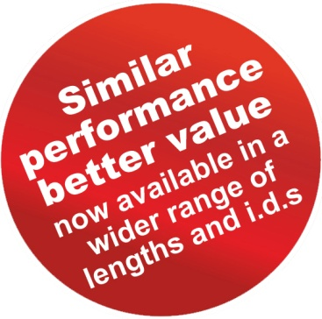
Length (mm) |  | 50 |  | Brand | Nucleodur C18 ec
 |  |  |  | Particle Size | 3 µm
Showing Results For: 3µm 50 x 2.1 mm |  |  |  | Dimensions | 50 x 4.6 mm

Manufacturer | Brand | Part No.
ACT Limited | ACE Equivalence | EQV-3C18-0502 |  | ACE Equivalence Alternative | EQV-3C18-0546
Supelco | Ascentis C18 | 581300-U |  | Particle Size | 3 µm
Supelco | Discovery C18 | - |  | Dimensions | 50 x 4.6 mm
ES Industries | Epic C18 | 112191-EC18
GL Sciences | Inertsil ODS-2 | -
GL Sciences | Inertsil ODS-3 | 5020-04412 |  | Use this handy tool to find the closest ACE Equivalence C18 column to your existing column. Simply type in either the dimensions of your existing column or the part number of your existing column and this converter will show you the ACE Equivalence C18 column you need!
Phenomenex | Luna C18(2) | 00B-4251-B0 | *2.0 mm ID
Macherey Nagel | Nucleosil 100 C18 | -
Macherey Nagel | Nucleosil 120 C18 | -
Macherey Nagel | Nucleodur C18 ec | 760050.20
Phenomenex | Prodigy ODS-2 | -
Phenomenex | Prodigy ODS-3 | -
Waters | Sunfire C18 | 186002533 | *3.5 µm
Supelco | Supelcosil LC-18 | -
Waters | Symmetry C18 | WAT200650 | *3.5 µm

Waters | Waters Spherisorb ODS2 | - |  |  | For further technical support and advice contact us on +44 (0)118 930 3660 or vwr.technical@hichrom.com
YMC | YMC ODS-A | AA12S03-05Q1QT
YMC | YMC ODS-AM | AM12S03-05Q1QT
YMC | YMC Pro C18 | AS12S03-05Q1QT
Agilent | Zorbax Eclipse XDB C18 | 971700-902 | *3.5 µm
Agilent | Zorbax Eclipse Plus C18 | 959743-902 | *3.5 µm
Agilent | Zorbax Rx-C18 | -
Agilent | Zorbax SB-C18 | 871700-902 | *3.5 µm

© 2016 ACT Limited. All rights reserved. ACE products are available world-wide.
For more information contact: vwr.technical@hichrom.com or www.ace-hplc.com

